Sheet1
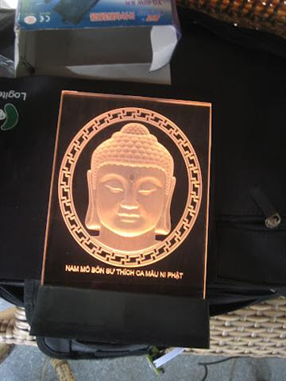
Religious frame | Size | 15cm x 23 cm including base
 | Electricity | AC 220-240V
 | Material | Acrylic
 | Color | Changing colours
 | Warranty | 1 year
 | Site | https://www.facebook.com/lightlife.vn
 | MOQ | 50pcs
 | Price | 160000 VND/1 piece

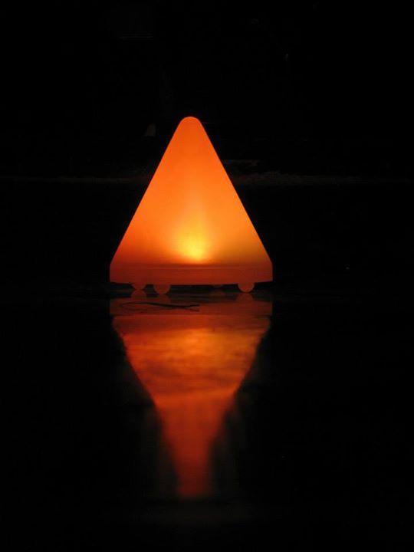
Conical night lamps | Size | 10cm in height x 10 cm in diameter
 | Electricity | AC 220-240V
 | Material | PVC
 | Color | Changing colours
 | Warranty | 1 year
 | Site | https://www.facebook.com/lightlife.vn
 | MOQ | 50pcs
 | Price | 55000 VND/1 piece

